Dala Sales & Deliveries
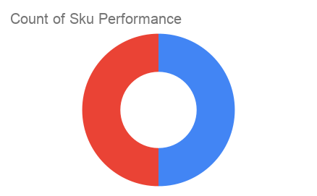
Total Invoices Delivered | 2.00 | Sku Performance | Units | Value
Unique Locations Supplied | 2.00 | 40g Respite Bitterleaf Tea Pouch Pack (10x) | 1.50 | 45,000.00
Total Value of orders | 75,000.00 | 40g Respite Bitterleaf Tea Tin Pack (6x) | 0.50 | 30,000.00
 |  |  | 0.00 | 0.00
 |  |  | 0.00 | 0.00
 |  |  | 0.00 | 0.00
 |  |  | 0.00 | 0.00
 |  |  | 0.00 | 0.00
 |  |  | 0.00 | 0.00
 |  |  | 0.00 | 0.00
 |  |  | 0.00 | 0.00
 |  |  | 0.00 | 0.00
 |  |  | 0.00 | 0.00

